Sheet1
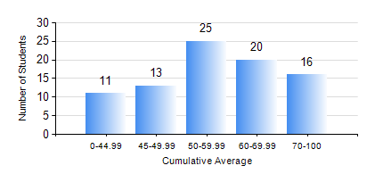
 |  |  | KWAME NKRUMAH UNIVERSITY OF SCIENCE AND TECHNOLOGY, KUMASI Department of Materials Engineering

 |  |  | BSC. MATERIALS ENG.

 |  |  | COMPREHENSIVE RECORD OF EXAMINATION RESULTS

 |  |  | RESULTS OF YEAR 1 SECOND SEMESTER, 2024/2025 ACADEMIC YEAR

 | Sn | Course Code |  | Course Name | Credit Hours | Min. Mark | Max. Mark | Avg. Mark | Std. Dev. | No. Passed | No. Trailed | No. (Df) | No. (I) | No. (I*) | No. Tagged(I,I*,Df) | Total
 | 1. | ENGL 158 |  | COMMUNICATION SKILLS II | 2 | 41 | 85 | 64 | 9.31 | 85 | 0 | 0 | 0 | 0 | 0 | 85
 | 2. | MATH 152 |  | CALCULUS WITH ANALYSIS | 4 | 40 | 85 | 61 | 11.41 | 85 | 0 | 0 | 0 | 0 | 0 | 85
 | 3. | ME 160 |  | ENGINEERING DRAWING | 2 | 40 | 74 | 51 | 8.72 | 85 | 0 | 0 | 0 | 0 | 0 | 85
 | 4. | ME 162 |  | BASIC MECHANICS | 3 | 40 | 86 | 62 | 13.65 | 85 | 0 | 0 | 0 | 0 | 0 | 85
 | 5. | METE 154 |  | ENVIRONMENTAL SCIENCE | 2 | 28 | 75 | 60 | 8.15 | 84 | 1 | 0 | 0 | 0 | 0 | 85
 | 6. | MSE 152 |  | KINETICS OF CHEMICAL REACTIONS | 2 | 32 | 96 | 67 | 17.33 | 79 | 6 | 0 | 0 | 0 | 0 | 85
 | 7. | MSE 154 |  | OPTICAL AND THERMAL BEHAVIOUR OF MATERIALS | 2 | 19 | 93 | 61 | 17.56 | 79 | 6 | 0 | 0 | 0 | 0 | 85

